Sheet1
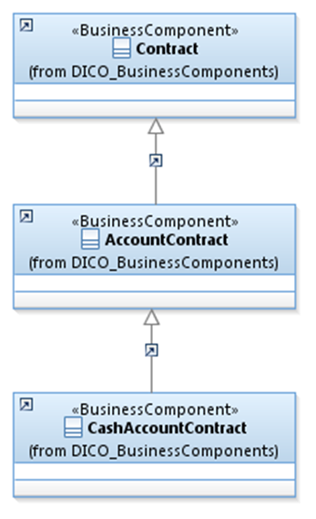
 | Introduction

This document describes the Business Model Components and Elements used by the Central Securities Depositories Regulation BuyIn (CSDR BuyIn) message definitions.

In the “Business Model” tab, the cells with text in green indicate the business concepts used by the Central Securities Depositories Regulation BuyIn (CSDR BuyIn) message set.

The “Traces” tab shows to which business concepts the Central Securities Depositories Regulation BuyIn (CSDR BuyIn) message components and message elements trace.

BuyIn
